Sheet1
FENCING & GATES | Previous scope sizes |  |  | New scope sizes to quote on

DESCRIPTION | Place | Scope sizes | Quantity | Updated scope sizes | Quantity | Gate mechanism | Note
Fencing length | Tankfarm | 100 m | Supplier to determine quantity based on the fence length provided with specifications | 200 m | Supplier to determine quantity based on the fence length provided with specifications | n/a | n/a
Gates
Galvanzed sliding gates with rail | Tankfarm | 10 m x 2.5 m | 10 | 10 m x 2.5 m | 7 | Manually operated
Galvanzed sliding gates with rail | Tankfarm | 10 m x 4 m | 2 | 6 m x 2.5 m | 5 | Manually operated
Swing gate/sliding (current gate attached) with SANPC customized nameplate onto the gate at the centre | Jetty (Main Gate) | - | - | 6 m x 2.5 m | 1 | Automatially operated | Nearest DB is approx. 30 m for motor gate power supply, Gate must have single pedastrian gate incorporated in the design One gate design that slides/swings at an angle due to space constraints
Galvanzed sliding gates that open in two different directions with SANPC customized nameplate onto the gate in the centre when it opens | Tankfarm (Main Gate) | 10 m x 4 m | 1 | 9 m x 4 m | 1 | Automatially operated | 1 Gatedesign must have single pedastrian gate incorporated in the design Each gate must be opened using its own remote as only one gate is used most of the time
Note: | Material: Hot-dip galvanised structural steel, paint finish/colour- black,
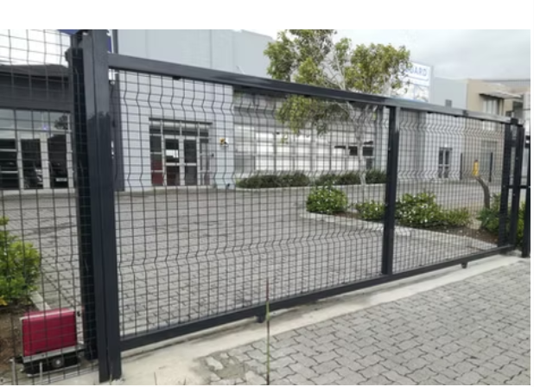
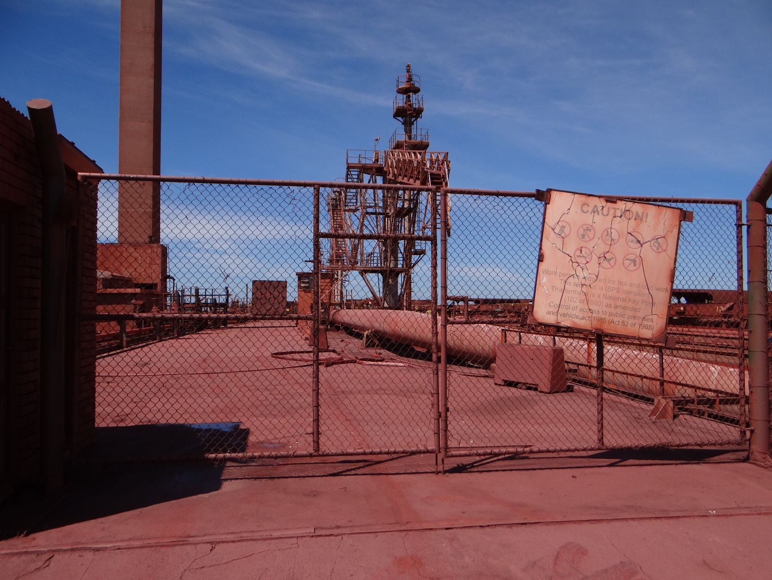
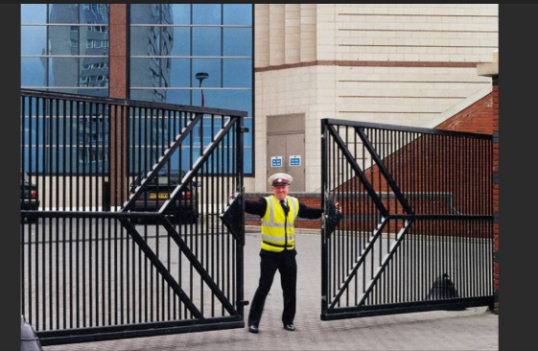
TANK FARM GATES DESIGN

MAIN GATE AND JETTY GATE DESIGN

