Guide
GUIDELINE FOR COMPLETING THE BASELINE RISK ASSESSMENT TEMPLATE

Notes: | 1. To be able to complete a baseline risk assessments you need to attend Hazard Identification and Risk assessment training(HIRA).
 | 2. All affected stakeholders should be involved in the development of a baseline risk assessment i.e. Project mangers, SHE department(including Occupational Hygienist and/or Occupational health practitioners), Engineering, etc.
 | 3. The OHS risk assessment procedure 32-520 should be used as a reference when completing this asse3ssment.
 | 4. This document should be reviewed as per the requirements of the 32-520 procedure.

1. List activity |  | Here you have to list different types of activities that will be performed and consider the site or environment the activity will take place. The activity can have different hazards and tasks linked to it.

Hazard number |  | This is a number that has to be given to the hazards associated to the activity. Each activity can have various hazards attached to it and therefore need to be numbered 1,2,3 etc. See example below
 |  | 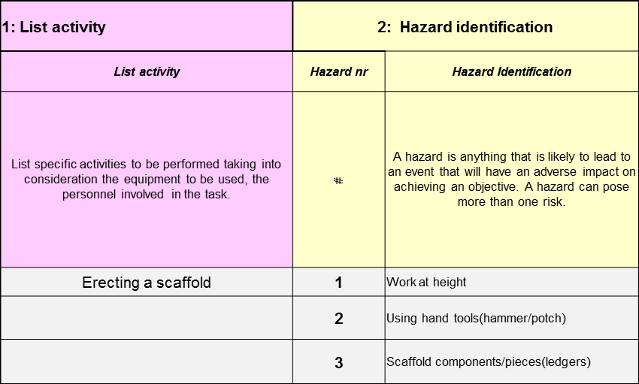

Hazard Identification |  | A hazard is anything that is likely to lead to an event that will have an adverse impact on achieving an objective. A hazard can pose more than one risk. Hazards are generally tangible and can be seen, heard, felt, measured, smelt, or determined through the use of one’s senses. Hazards can be classified into the following categories: Physical e.g. heat, cold, vibration Chemical e.g. poisons, vapours, acid Biological e.g. bacteria, parasites, blood Mechanical/electrical e.g. working from heights or plant and equipment Ergonomic e.g. posture, weight, or repetition Psychological e.g. stress, repetitive work.

Risk Nr |  | This is a number given to a risk that a hazard pose. One hazard can have more than one risks. The numbering of the risks should be linked to the hazard i.e. if the hazard was 1 then the risks should be numbered 1.1, 1.2 etc. See example below

Associated risk (Risk identification) |  | List the risks associated with the hazard and list them according to the example above.

Risk type |  | This is the risk type which could be Safety or Health. Safety when the consequence of the risk has effect on the physical body of the person e.g. cut and health when the effects are on the persons health e.g. coughing

Exposed group/employees |  | The exposed group represents people who are exposed to the risk either employees, visitors or members of the public. Also in terms of Occupational Hygiene it means exposure groups such as individual exposure or homogenous exposure group.

Exposure patterns |  | Exposure patterns means the frequency and duration the person/group is exposed to the hazard e.g. Exposed to noise for 3 hours daily. This will help to determine the extent of exposure and the kind of harm that the hazard can inflict to the person/group.

Cause(s) of the risk |  | List what causes the risk to come into effect.

Risk Owner |  | Who is accountable for making sure the controls and monitors are: - in place, - implemented, - regularly reviewed for effectiveness.

Conditions(Normal/Abnormal) |  | In this section you have to say if it routine and non-routine activity as required by OHSAS 18001. Routine activities are activities that are performed regularily and non-routine are those that occur due to unplanned circumstance e.g. a risk assessment for an emergency situation or work that is not part of planned activities.

What are the Consequences? |  | List the consequence that the exposure to risk pose.

Existing Controls |  | These are existing controls for the risks and hazards identified.

Consequence |  | Utilise the consequence criteria tab to determine the impact the risk has or may have.

Likelihood |  | Utilise the likelihood tab to determine the impact the risk has or may have.

Risk Priority Rating |  | The risk priority is determined by plotting the consequence rating and likelihood rating on the risk matrix to determine the priority rating. E.g. if the Consequence is 1 and likelihood is 3 then the risk rating is III

RCE Risk Control Effectiveness |  | This is to determine how effect are your current or existing controls.

Additional Controls or Tasks Aimed at improving Existing Controls |  | If the existing controls were not effective include additional controls that can minimise the impact of the risk. These are additional controls that should be added to manage the risk. The hierarchy of controls shall be considered.

Consequence |  | This is to determine the consequences the risk pose. The consequence shall be determined using consequence rating tab.

Likelihood |  | This is to determine the likelihood of the risk producing effects. The likelihood shall be determined using likelihood rating tab.

Risk Priority Rating |  | The risk priority is determined by plotting the consequence rating and likelihood rating on the risk matrix to determine the priority rating. E.g. if the Consequence is 1 and likelihood is 3 then the risk rating is III

Monitoring Mechanisms |  | This is a measurement that is used to determine the success of controls in reducing the impact of the risk.

Control Owner |  | Person allocated the responsibility for implementing the agreed controls.

Legal and Other Requirements |  | Where relevant, list the relevant legislative and or Eskom requirements that prescribe the control.

Initial Target Date |  | These are the dates for the implementation of the controls

Revised Target Date |  | These are the dates for the implementation of the controls. Used if, for any reason, a Target Date is revised. Use the Comments field to explain.

Current Status |  | This means the current status on the implementation of the controls

Verification (i.e. Confirmation that the objectives have been met) |  | This means any type of verification or assessment done to check if objectives of the controls and assessment are met.

Comments |  | Any comments that you wish to input as part of the Risk assessment.

