Sheet1
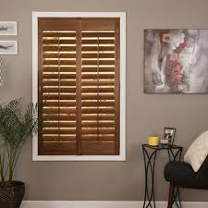
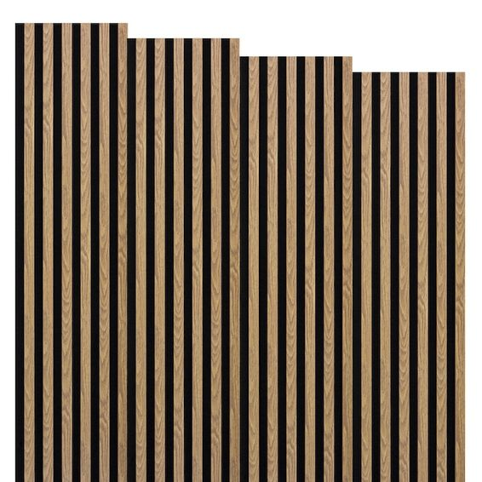
SPECIFICATION FOR REMOVAL AND INSTALATION OF WINDOW SHUTTERS FOR BOARDROOMS
Service description | UoM | Quantity/size | Area | Cost Vat Exc
Supply and Installation of window shutters with 50mm or 65mm lock pin (at the top and bottom), Material; aluminium : Light weight and corrosion-resistant or wood :classic, warm aesthetic. Type of shutters panel shutters or rolling shutters finish powder coating( for aluminium) paint, stain or natural finish for wood, Color standard white, black or grey. Operation hinged (side ot top ), Sliding or fixed manually operated. Features: Insulation solid panels with locking machanism weather resistance | 1.62m x 1.23m | 3 | Main Building Small Boardroom
Supply and Installation of window shutters with 50mm or 65mm lock pin (at the top and bottom), Material; aluminium : Light weight and corrosion-resistant or wood :classic, warm aesthetic. Type of shutters panel shutters or rolling shutters finish powder coating( for aluminium) paint, stain or natural finish for wood, Color standard white, black or grey. Operation hinged (side ot top ), Sliding or fixed manually operated. Features: Insulation solid panels with locking machanism weather resistance | 1.62m x 1.23m | 5 | Main Building Large Boardroom
Supply and Installation of window shutters with 50mm or 65mm lock pin (at the top and bottom), Material; aluminium : Light weight and corrosion-resistant or wood :classic, warm aesthetic. Type of shutters panel shutters or rolling shutters finish powder coating( for aluminium) paint, stain or natural finish for wood, Color standard white, black or grey. Operation hinged (side ot top ), Sliding or fixed manually operated. Features: Insulation solid panels with locking machanism weather resistance | 1.3m x 66cm) | 1 | Main Building Large Boardroom
Supply and Installation of window shutters with 50mm or 65mm lock pin (at the top and bottom), Material; aluminium : Light weight and corrosion-resistant or wood :classic, warm aesthetic. Type of shutters panel shutters or rolling shutters finish powder coating( for aluminium) paint, stain or natural finish for wood, Color standard white, black or grey. Operation hinged (side ot top ), Sliding or fixed manually operated. Features: Insulation solid panels with locking machanism weather resistance | 1.7m x 1.53m | 8 | Main Building Second Floor Seminar Room ( 54 Sitters)
Supply and Installation of window shutters with 50mm or 65mm lock pin (at the top and bottom), Material; aluminium : Light weight and corrosion-resistant or wood :classic, warm aesthetic. Type of shutters panel shutters or rolling shutters finish powder coating( for aluminium) paint, stain or natural finish for wood, Color standard white, black or grey. Operation hinged (side ot top ), Sliding or fixed manually operated. Features: Insulation solid panels with locking machanism weather resistance | 8.28m x 5.1m | 2 | Meat Science Committee (25 Sitters)
Supply and Installation of window shutters with 50mm or 65mm lock pin (at the top and bottom), Material; aluminium : Light weight and corrosion-resistant or wood :classic, warm aesthetic. Type of shutters panel shutters or rolling shutters finish powder coating( for aluminium) paint, stain or natural finish for wood, Color standard white, black or grey. Operation hinged (side ot top ), Sliding or fixed manually operated. Features: Insulation solid panels with locking machanism weather resistance | 1.2m x 1.72m | 1 | Meat Science Committee (10 Sitters)
Supply and Installation of window shutters with 50mm or 65mm lock pin (at the top and bottom), Material; aluminium : Light weight and corrosion-resistant or wood :classic, warm aesthetic. Type of shutters panel shutters or rolling shutters finish powder coating( for aluminium) paint, stain or natural finish for wood, Color standard white, black or grey. Operation hinged (side ot top ), Sliding or fixed manually operated. Features: Insulation solid panels with locking machanism weather resistance | 2:1.47m x 1.37m, 1 | 2 | Nutrition Boardroom (20 Sitters)
Supply and Installation of window shutters with 50mm or 65mm lock pin (at the top and bottom), Material; aluminium : Light weight and corrosion-resistant or wood :classic, warm aesthetic. Type of shutters panel shutters or rolling shutters finish powder coating( for aluminium) paint, stain or natural finish for wood, Color standard white, black or grey. Operation hinged (side ot top ), Sliding or fixed manually operated. Features: Insulation solid panels with locking machanism weather resistance | 2.23m x 1.48m | 1 | Nutrition Boardroom (20 Sitters)
Supply and Installation of window shutters with 50mm or 65mm lock pin (at the top and bottom), Material; aluminium : Light weight and corrosion-resistant or wood :classic, warm aesthetic. Type of shutters panel shutters or rolling shutters finish powder coating( for aluminium) paint, stain or natural finish for wood, Color standard white, black or grey. Operation hinged (side ot top ), Sliding or fixed manually operated. Features: Insulation solid panels with locking machanism weather resistance | 16:2.6m x 0.995m | 13 | Dairy Science Auditorium (168 Sitters)
Supply and Installation of window shutters with 50mm or 65mm lock pin (at the top and bottom), Material; aluminium : Light weight and corrosion-resistant or wood :classic, warm aesthetic. Type of shutters panel shutters or rolling shutters finish powder coating( for aluminium) paint, stain or natural finish for wood, Color standard white, black or grey. Operation hinged (side ot top ), Sliding or fixed manually operated. Features: Insulation solid panels with locking machanism weather resistance | 2.5m x 1m | 4 | Dairy Science Auditorium (168 Sitters)
Supply and Installation of window shutters with 50mm or 65mm lock pin (at the top and bottom), Material; aluminium : Light weight and corrosion-resistant or wood :classic, warm aesthetic. Type of shutters panel shutters or rolling shutters finish powder coating( for aluminium) paint, stain or natural finish for wood, Color standard white, black or grey. Operation hinged (side ot top ), Sliding or fixed manually operated. Features: Insulation solid panels with locking machanism weather resistance | 1.7m x 1.53m | 8 | Main Building Second Floor Seminar Room ( 54 Sitters)
Supply and Installation of window shutters with 50mm or 65mm lock pin (at the top and bottom), Material; aluminium : Light weight and corrosion-resistant or wood :classic, warm aesthetic. Type of shutters panel shutters or rolling shutters finish powder coating( for aluminium) paint, stain or natural finish for wood, Color standard white, black or grey. Operation hinged (side ot top ), Sliding or fixed manually operated. Features: Insulation solid panels with locking machanism weather resistance | 2.6mx1 | 12 | Hose shew
Conditions attached to the project
1. CIDB Grade: 1ME and above
2. Gant chart project plan should be submitted without fail
3. Attend compulsory site briefing

Conditions attached to the project
1. Any default against the project plan will attract R500.00 per day.
2. Full payment will be action upon project completion, there will be no partial payment
3. Contractor to clean up all the rubbles from the site
4. Contractor must ensure personnel have full PPE regalia relevant to the project, failure to comply with this might result in the termination of the project
5. Contractor to adhere to OHS contract management compliance
6. Minimum of 12 month warranty on equipment’s or as per OEM warranty, letter should be provided
7. Minimum of 12 month on workmanship, letter should be provided

