Extract CPA guideline
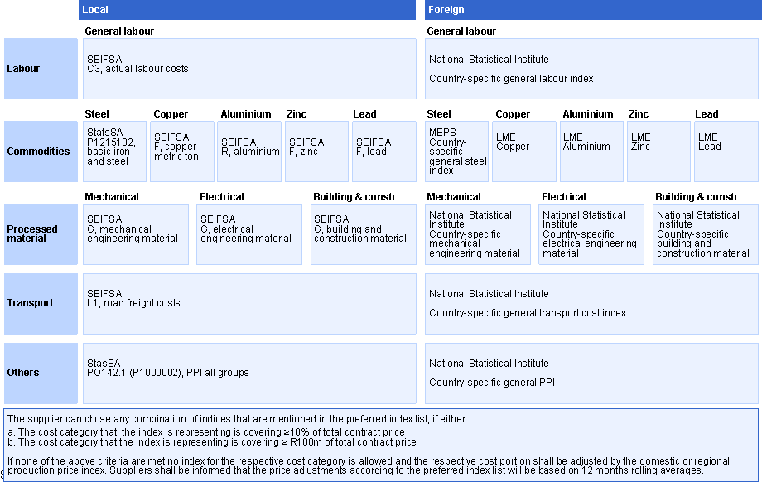
EXTRACT FROM "Enterprises Division Commercial guideline for applying CPA in a contracting process" document
Preferred Index List

