Questions
TPT/2024/11/0003/84253/RFP -SUPPLY OF MATERIAL AND THE CONSTRUCTION OF STORM WATER & ENVIRONMNETAL SYSTEMS AT SALDANHA TERMINAL AT THE TRANSNET PORT TERMINALS (TPT), BULK TERMINAL SALDANHA (BTS) FOR A PERIOD OF TWELVE MONTHS (12)
No | Section | Item | QUESTION | ANSWER/RESPONNSE
1 |  |  | Please clarify if an Excel Boq is to be submitted with tender returnable’ s? ; We also need clarity on whether the bills of quantity need to be handwritten, or will a Pdf copy of the Excel suffice? | All bidders are required to use the supplied PDF Bill of Quantities (BoQ) for their pricing. This document takes precedence over the Excel file provided, which is made available as a tool to assist with Tendering
2 |  |  | Kindly advise if there is a bidder's list available for the above tender, if so would you please be so kind to send me a copy. | Due POPI Act, TPT is not allowed to share bidders information without their consent
3 | Section 0 -Items 2, 3, 4, 30, 31, 32 |  | Require details of name boards and offices and telephone for Engineer. | Refer to SANS 1200A
4 | Section 0 - Items 45, 46, 47 & 48 |  | Require clarification and amounts for Provisional Sums. | Refer to SANS 1200A- Provisional Sum included in Summary Page for Additional Ponds & Ancillary Works
5 | Section 0 - Items 49, 50, & 51 |  | Require clarification and amounts for Prime Cost Items. | Contractor to specify Items he may require to be a PC Amount in his submission, Item 50/ Item 51 to be priced
6 | Section 0 -Items 52, 53 & 54 |  | Require clarification of Unit. HR or DAY? | Hourly rate per working Day
7 | Section 1 - Item 4 |  | Require details of Cleaning Slabs and Drying Beds OR unit and quantity to be cleaned | Item to be OMITTED
8 | Section 1 - Item between Items 10 & 11 |  | Require details of unknown services | Item10: This is a Rate Only Item/ Item11- As per BoQ
9 | Section 1 -Item 49 |  | Should this item be rate only, as it has the same volume as item 46. | As per BoQ
10 | Section 1 - Item 51 |  | Please provide specification for “Light Fibertex Non-Woven Grade E Geotextile” | As per BoQ or similar approved
11 | Section 2 - Item 10 |  | Require size and number of park homes to be removed. | 1No. x 7m x 9.3m / 1 No. x 20m x 7m / 1No.x 9.5m x 10.5m / 3 No.x 12m x 2.5m
12 | Section 2 - Items 101 & 102 |  | Please supply detail of BK9 kerb, as this is not a standard kerb. | Fig 9 Kerb
13 | Section 3 - Items 3 & 4 |  | Require sizes of stormwater pipes and infrastructure. | 300mm concrete pipes with manholes (see drawing for quantity)
14 | Section 3 - Item 137 |  | Please supply detail of BK9 kerb, as this is not a standard kerb. | Fig 9 Kerb
15 | Section 3 - Item 139 |  | Please supply detail for bollard. | As per drawing description (notes): 8. STEEL BOLLARDS (QUANTITY 40) TO BE PLACED AROUND POND 12: 8.1. 6mm THICK MILD STEEL 8.2. 150mm IN DIAMETER 8.3. AT LEAST 900mm ABOVE GROUND 8.4. REMOVABLE TO ALLOW ACCESS FOR MAINTENANCE (PERMANENT METAL GROUND SOCKET ANCHORED IN A CONCRETE FOUNDATION) 8.5. 40MPa PLAIN CONCRETE FOUNDATION OF 400mm X 400mm X 450mm DEEP - MIN COVER OF 50mm 8.6. PAINTED IN REFLECTIVE YELLOW PAINT
16 | Section 4 - Item 14 |  | Is this a duplication of item 7? If not, please confirm unit. | Not a duplication, as per BoQ
17 | Section 5 - Item 9 |  | This is the same item as Section 2 Item 9 with different unit. Please confirm units for both items | Section 5/ Item 9- should be a pipe in metres (Quantity 65m)/ Section 2 Item 9 is correct
18 | All Sections - Disposal of Contaminated Excavated Material |  | The Waste Disposal Companies require an indication of the level of contamination to allow them to quote on the correct disposal method | Refer to Environmental Report
19 |  |  | The BOQ allows for nearly 50,000m³ of contaminated material to be removed from site to an approved Hazardous Waste Landfill Site. The only approved site in the area is the Vissershok Landfill site near Cape Town. They need the following information to enable them to give us a quotation: • How many sites needs to be excavated. • Make-up of the waste for disposal for each site. | Refer to Environmental Report * Excavation refers to construction activities for the stormwater upgrade i.e for all five areas. Bidders to price as per the quanties in the BOQ * Bidders to price for the Vissershok Landfill site near Cape Town.
20 | Section 2 - Item 40 |  | Require more information. | Section 2 of MPT BOQ, 8.2.16. Cleaning and clearing of existing stormwater pipers discharging to the sea after EcoStorm Filter connection e.g. 750mm concrete pipe. Shown in red highlighted blocks in supporting screenshot below. Length and size of ex. pipes can be seen in sections views.
21 |  |  |  | 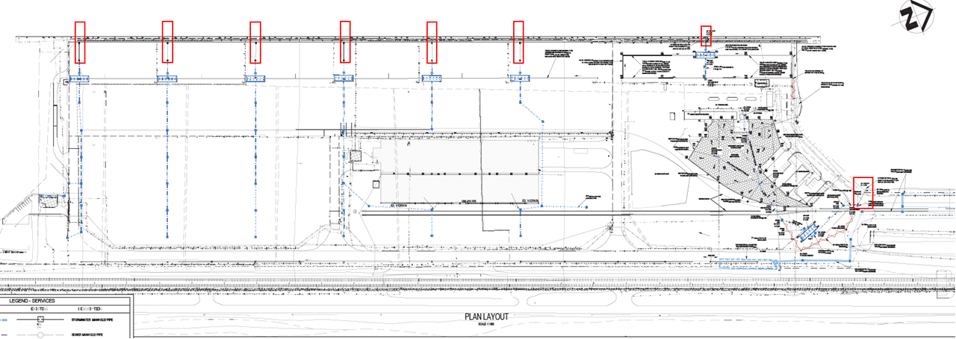
22 | Section 2 - Item 42 |  | Require dimensions of existing channel. | Section 2 of MPT BOQ, 8.2.18. 800mm width bar drain made up of 2 x 200mm concrete walls, 400mm mentis grating. Depth varies.
23 | Section 2 - Item 43 |  | Require dimensions of existing channel, as well as extend of damage to be repaired. | Section 2 of MPT BOQ, 8.2.19. 800mm width bar drain made up of 2 x 200mm concrete walls, 400mm mentis grating. Depth varies. Contractor to determine extent of damage of existing channel on site for Stilling basin 8 (420m) Example of deterioration - concrete crack repair, grating frame repair,
24 | Drawings |  | STOCKYARD AREA - STORMWATER LONG SECTIONS SHEET 1 OF 3 | Part of RFP, however not included under parent folder (Stockpile). Included under "Drawings- Storm Water"
25 | Drawings |  | STOCKYARD AREA - STORMWATER LONG SECTIONS SHEET 2 OF 3 | Part of RFP, however not included under parent folder (Stockpile). Included under "Drawings- Storm Water"
26 | Drawings |  | STOCKYARD AREA - STORMWATER LONG SECTIONS SHEET 3 OF 3 | Part of RFP, however not included under parent folder (Stockpile). Included under "Drawings- Storm Water"
27 | Drawings |  | TIPPLER AREA - STORMWATER LONG SECTIONS SHEET 4 OF 4 | Please refer to Drawing Register Numbering and Drawing References for superseeded drawing numbers. Only 3 Longsections for Tippler.
28 | Drawings |  | TYPICAL GRID CHANNEL, MOUNTABLE KERB, SUBSOIL COLLECTOR DRAIN (SCD) AND TRAPEZOIDAL CHANNEL DETAIL | Please refer to Drawing Register Numbering and Drawing References for superseeded drawing numbers. 5200157-2-001-C-DE-0002-02-01.
29 | Drawings |  | RAIL EMBANKMENT - POND 12 & 6 CROSS SECTION DETAIL | 5200157-2-001-C-DE- 0003-01
30 | Drawings |  | RAIL EMBANKMENT - GRID CHANNEL AND MANHOLE DETAIL | Superseeded. Please refer to Drawing Register Numbering and Drawing References 5200157-2-001-C-DE-0002-02-01.
31 | Drawings |  | RAIL EMBANKMENT - KERB DETAIL AND SUBSOIL COLLECTOR DRAIN | Superseeded. Please refer to Drawing Register Numbering and Drawing References 5200157-2-001-C-DE-0002-02-01.
32 | Drawings |  | MULTIPURPOSE TERMINAL - LONG SECTIONS SHEET 1 OF 3 | 5200157-2-001-C-SE- 0004-01
33 | Drawings |  | MULTIPURPOSE TERMINAL - LONG SECTIONS SHEET 2 OF 3 | 5200157-2-001-C-SE- 0004-02
34 | Drawings |  | MULTIPURPOSE TERMINAL - LONG SECTIONS SHEET 3 OF 3 | 5200157-2-001-C-SE- 0004-03
35 |  |  | There are 1813m Subsoil Collector Drains, 470m Trapezoidal Channels, 801m Grid Channels and 375m Box channels in the BOQ. we need the following drawing to be able to price and construct the above: • 5200157/2/001/C/DE/0003/02 – TYPICAL GRID CHANNEL, MOUNTABLE KERB, SUBSOIL COLLECTOR DRAIN (SCD) AND TRAPEZOIDAL CHANNEL DETAIL The BOQ also refer to type BK9 kerbs which does not exist. The question was raised on 14 March but not addressed on additional information received. I was hoping that the above-mentioned drawing will clarify it, even though the drawing refers to mountable kerb and the BOQ to barriers kerbs. The quantities for the drains mentioned above would have been generated from the layout drawings. However, the detail drawing is essential to the contractor to compile a rate for these items. | •Please refer to Drawing Register Numbering and Drawing References for superseeded drawing numbers. 5200157-2-001-C-DE-0002-02-01 (attached) •BK9 = Fig 9 kerb
36 |  |  | Please note that “Section O: Preliminary & General” does not have any quantities indicated. Normally we would assume a quantity of “One (1)” in “Sum” Items, but there are Items with other units of measurement, i.e. “/m3” & “HR/Day” that we need the quantities for. Please advise. | The quantity for the sum item is one (1); however, the item description should be read carefully, as some have the required number stated. Bidders should provide their rate(s) only.
37 | Drawings, P26; Section 3 / Item 47 and Item 48 |  | Provide Structural Cast In-situ Units including reinforcing - Trapezoidal Channels Acessories - Trapezoidal Channel Covers Could you please issue drawings for the above channels to enable us to submit a accurate rate for the respective items please? Please find an extract below | Drawing uploaded
38 |  |  | Drawing 5200157/2/001/C/DE/0002/00RM with the details of the different channels does not include the 750x600 Box Channels & Covers described in items 72 & 73 of Section 4 – Tippler Area. Can you please forward relevant detail. | All references to “box channel” should have been standardized to SATS Class 1 precast culverts and bases. No in situ box channels in design
39 |  |  | The BOQ has an item for cover or gratings for Trapezoidal Channel, but the below mentioned drawing does not show any covers. Please advise | No covers of gratings specified for Trapezoidal channel as per drawing.
40 |  |  | 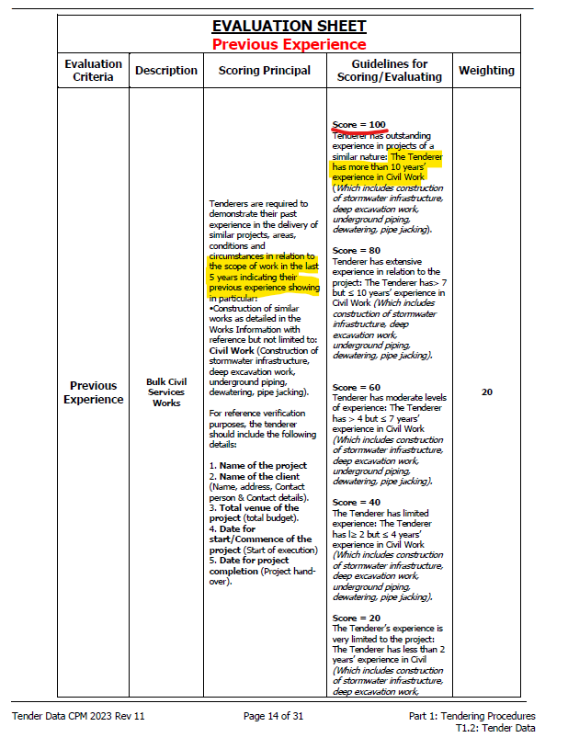 Further query – “Functionality – Company Experience” : • Below is an extract from the tender document explaining the required company experience in ‘similar civil works’ • Highlighted under the column ‘Scoring Principal’ it states that the company should list past experience in the last 5 years. • To be able to score 100% it is highlighted in the “Guidelines for Scoring/Evaluating” column that the tenderer should have more than 10 years’ experience. • Can you please explain the difference in requirements and clarify how the years’ experience will be calculated for the different scoring values? • Similarly for the company experience under “Structural Works” | Bidders must respond in relation to the scoring guidelines. To eliminate confusion in responses, bidders should not consider the "last 5 years" but should respond along the scoring guidlines. As indicated in the scoring guidline, the different points will be allocated as following: -100 points will be allocated to bidders with 10 years (or more) expereince in Civil Work (Which includes construction of storm water infrastructure, deep excavation work, underground piping, dewatering, pipe jacking). What is require here is for bidders to provide detail information of projects which they have completed (as from the present year (2025) backwards. -80 points will be allocated to bidders with seven (7) and above years expereience but,less that 10 years expereince in Civil Work (which includes construction of storm water infrastructure, deep excavation work, underground piping, dewatering, pipe jacking). What is require here is for bidders to provide detail information of projects which they have completed (as from the present year (2025) backwards. -60 points will be allocated to bidders with four (4) and above years expereience but,less that 7 years expereince in Civil Work (which includes construction of storm water infrastructure, deep excavation work, underground piping, dewatering, pipe jacking). What is require here is for bidders to provide detail information of projects which they have completed (as from the present year (2025) backwards. -40 points will be allocated to bidders with two(2) and above years expereience but,less that 4 years expereince in Civil Work (which includes construction of storm water infrastructure, deep excavation work, underground piping, dewatering, pipe jacking). What is require here is for bidders to provide detail information of projects which they have completed (as from the present year (2025) backwards. -20 points will be allocated to bidders with less than (2) expereience in Civil Work (which includes construction of storm water
41 |  |  |  | Refer to A40
42 | Page7; SANS 1200D 8.3.6 | BOQ | Section : Disposal of Contaminated Excavated Material Item 76: Transport the waste sediment to an approved Hazardous waste landfill site and dispose of the sediment The only registered Hazardous waste site in the Western cape is Vissershoek. The cost to transport hazardous material from the site to Vissershoek is approximately R 2000.00 per cube and based on the bill quantity the extend will be approximately R 2000 x 48 870m3 = R 97 740 000.00 Please confirm that it is a requirement for the material to be sent to Vissershoek? | Refer to Environmental Report Contaminated excavation refers to construction activities for the stormwater upgrade i.e for all five areas. •Iron Ore sluge/excavated iron ore contaminated soil - all sites •Some soil may be contaminated with oil or heavy metals - MPT
43 |  |  | With reference to correspondence from Mentis below and attached, as well as drawing 5200157/2/001/C/DE/0002/02 Rev00RM – TYPICAL GRID CHANNEL, MOUNTABLE KERB, SUBSOIL COLLECTOR DRAIN (SCD) AND TRAPEZOIDAL CHANNEL DETAIL, please note that the Mentis A60 Gripweld for the U-Channel is no longer available. Please confirm that the alternative proposed by Mentis below will be acceptable. | •Please refer to Drawing Register Numbering and Drawing References for superseeded drawing numbers. 5200157-2-001-C-DE-0002-02-01 (attached) • Similar Approved Mentis A60 Gripweld will be accepted.
44 | 0 | 2, 3, 4, 30, 31, 32 | Require details of name boards and offices and telephone for Engineer. | Refer SANS 1200A
45 | 0 | 45, 46, 47 & 48 | Amounts for Provisional Sums to confirmed by Client. | Refer to SANS 1200A- Provisional Sum included in Summary Page for Additional Ponds & Ancillary Works
46 | 0 | 49, 50, & 51 | Amounts for Prime Cost Items to confirm by Client. | Contractor to specify Items he may require to be a PC Amount in his submission, Item 50/ Item 51 to be priced
47 | 0 | 52, 53 & 54 | Confirm Unit & Quantity. | Hourly rate per working Day
48 | 1 | 4 | Confirm details of Cleaning Slabs and Drying Beds OR unit and quantity to be cleaned. | To be determined in terms of a site inspection.
49 | 1 | 10 & 11 | Confirm details of unknown services. | Item10: This is a Rate Only Item/ Item11- As per BoQ
50 | 1 | 46, 47, 48 | Are these items available on site? Does it need to be cleaned before re-use? | Yes
51 | 1 | 49 | Should this item be rate only, as it has the same volume as item 46. | As per BoQ
52 | 1 | 51 | Please provide specification for “Light Fibertex Non-Woven Grade E Geotextile” | AS per BoQ or similar and approved
53 | 1 | 65 | Confirm specification of Silt Layer. | Very fine soil 0.002--0.6mm falling between sand and clay in size.
54 | 2 | 10 | Require size and number of park homes to be removed. | 1No. x 7m x 9.3m / 1 No. x 20m x 7m / 1No.x 9.5m x 10.5m / 3 No.x 12m x 2.5m
55 | 2 | 40 | Clarify what is meant with this item. | In the MPT, Stormwater is released into the sea after first going through a stilling basin followed by a filter (ecostorm filter) to remove sediment and heavy metals.
56 | 2 | 42, 43, 44 | Confirm details of exiting channel and grid that needs to be repaired. | Section 2 of MPT BOQ, 8.2.19. 800mm width bar drain made up of 2 x 200mm concrete walls, 400mm mentis grating. Depth varies. Contractor to determine extent of damage of existing channel on site for Stilling basin 8 (420m) Example of deterioration - concrete crack repair, grating frame repair,
57 | 2 | 82, 83, 84, 85, 86, 87 | Confirm whether Stilling Basins needs to be water retaining structures. Must the concrete for these structures have Penetron added? | Refer to drawing.
58 | 3 | 104 | Confirm specification of Pea Gravel. | Uniform gravel of aapoproximately 3mm =diameter
59 | 3 | 139 | Confirm detail for bollard. | As per drawing description (notes): 8. STEEL BOLLARDS (QUANTITY 40) TO BE PLACED AROUND POND 12: 8.1. 6mm THICK MILD STEEL 8.2. 150mm IN DIAMETER 8.3. AT LEAST 900mm ABOVE GROUND 8.4. REMOVABLE TO ALLOW ACCESS FOR MAINTENANCE (PERMANENT METAL GROUND SOCKET ANCHORED IN A CONCRETE FOUNDATION) 8.5. 40MPa PLAIN CONCRETE FOUNDATION OF 400mm X 400mm X 450mm DEEP - MIN COVER OF 50mm 8.6. PAINTED IN REFLECTIVE YELLOW PAINT
60 | 4 | 48 | Confirm detail of Trapezoidal Channel Cover or Grating. | No covers of gratings specified for Trapezoidal channel as per drawing.
61 | 5 | Item 9 | This is the same item as Section 2 Item 9 with different unit. Please confirm units for both items. | Section 5/ Item 9- should be a pipe in metres (Quantity 65m)/ Section 2 Item 9 is correct
62 | All | Disposal of Contaminated Excavated Material | The Waste Disposal Companies require an indication of the level of contamination to allow them to quote on the correct disposal method. | Refer to Environmental Report. Contaminated excavation refers to construction activities for the stormwater upgrade i.e for all five areas. Bidders to price as per the quanties in the BOQ
63 | Add | Geotechnical Report | Provide documents for Annexures, especially borehole details. | Uploaded
64 | Section 2 : Multi-purpose Terminal | Drawings | Item reference number 14 - SANS 1200 C Reshape and resize existing informal ponds on catchment MC7 as specified on drawing Please issue drawing with the relevant detail, please? We cannot find the drawing and detail | Section 2 : Multi-purpose Terminal - item not to be priced.
65 | • Section 4: Tippler Area |  | o There are items for compaction of clay and silt layer, but no items for importing of clay and silt. o Will this material be available on site? | Include for importation of material and compaction thereof
66 | • Section 4: Tippler Area |  | o Item 146 – Extra over or under item (a) above for variation in depth of manholes from the standard depth. o Please confirm standard depth. | 0.5m - 1.5m is standard applied
67 | • Section 4: Tippler Area |  | o Item 142 – Please provide detail of Box Channel o Item 143 – Please provide detail of Box Channel Cover or Grating | All references to “box channel” should have been standardized to SATS Class 1 precast culverts and bases. No in situ box channels in design
68 |  |  | • During the briefing session, the following question was raised during our site visit to the MPT: Q: How can we program and price our works if we do not know how other departments of Transnet and other Contractors will impact our works due to the access that needs to be given to them at all times? A: Marks Pita responded that the Contractor should price as if there will be unobstructed access. Should the Contractor experience delays due to access needing to be provided to other Contractors or Transnet, this will be dealt with separately during the Contract. Please note that the above question and response were not included in the official Briefing Session Minutes or the Stormwater Clarification Questions distributed. However, this response appears to directly contradict the current requirements outlined in the Contract Documents, specifically: “Clause 4 – Construction 4.1 Temporary Works, Site Services & Construction Constraints • 4.1.1: The Contractor shall organize the work to cause the least possible inconvenience to other construction activities or operations at the Site. Access for Others to adjacent areas shall be maintained at all times. • 4.1.12: During the course of the Contract, departments of Transnet and other Contractors may be working in the general area surrounding the working area. The Contractor must make allowance for the necessity to interface with the activities of others, and to allow for safe access and working conditions.” In light of the above, we request formal confirmation that the Contractor is to price the tender based on the assumption of unobstructed access to the working areas, as communicated during the Site Briefing. Clear confirmation in this regard is essential to ensure consistency and fairness in the tender process. • Rev6 BoQ: o Please note the discrepancy in the latest two BoQ`s supplied: ‘Section 4 Tippler’ ▪ In the excel file there are line Items hidden - lines 296 to 298 ▪ They are also not part of the PDF version of the Re | All bidders are required to use the supplied PDF Bill of Quantities (BoQ) for their pricing. This document takes precedence over the Excel file provided, which is made available as a tool to assist with Tendering
69 | • Section 4: Tippler Area |  | o Item 68 allow for compaction of 150mm G2 layer, but there is no item for importing G2 material. o Will this material be available on site? | Include for importation of material and compaction thereof
70 | • Section 4: Tippler Area |  | o Items 44 & 68 allow for compaction of 150mm G2 layers, but there is no item for importing G2 material. o Will this material be available on site? | Include for importation of material and compaction thereof
71 | • Section 5: Stockpile Area |  | o “The Following to Stormwater Pipes”. ▪ This section allows for 1866m of excavation for Stormwater Pipes, but there is no items for the supply of the pipes. Please clarify. | Include for Pipework (375mm diameter- 149m / 450mm diameter- 443m / 600mm diameter- 1274m)
72 | • Section 2: Causeway |  | o “The Following to V-Drains”. ▪ This section allows for formwork, mesh and joints for concrete V-drain, but there is no item for the concrete. Please clarify. | Include for concrete under item 24 (59m2)
73 | Section 0 | Items 52, 53 & 54 | Require clarification of Unit. HR or DAY? | Hourly rate per working Day
74 | Section 2 | Items 101 & 102 | Please supply detail of BK9 kerb, as this is not a standard kerb. | BK9 = Fig 9 kerb
75 | Section 3 | Items 3 & 4 | Require sizes of stormwater pipes and infrastructure. | 300mm concrete pipes with manholes (see drawing for quantity)
76 | Section 3 | Item 137 | Please supply detail of BK9 kerb, as this is not a standard kerb. | BK9 = Fig 9 kerb
77 | Section 4 | Item 14 | Is this a duplication of item 7? If not, please confirm unit. | Not a duplication, as per BoQ
78 |  |  | The excel BOQ has hidden rows 39-40 with the following item: | All bidders are required to use the supplied PDF Bill of Quantities (BoQ) for their pricing. This document takes precedence over the Excel file provided, which is made available as a tool to assist with Tendering
79
80 | Section 4 Tippler: |  | The excel BOQ has hidden rows 280-287 with the following items:
81
82 | Section 4 Tippler: |  | The excel BOQ has hidden rows 296-298 with the following items:
83
84 | Section 4 Tippler: |  | The excel BOQ has hidden rows 372-376 with the following items:
85
86 | Section 4 Tippler: |  | The excel BOQ has hidden rows 379-382 with the following items:
87
88 |  |  | The above items are not present on the PDF Version BOQ.
89 |  |  | Please clarify if an Excel Boq is to be submitted with tender returnable’ s? We also need clarity on whether the bills of quantity need to be handwritten, or will a Pdf copy of the Excel suffice? | PDF Copy to be submitted
90 |  |  | Can we be allowed to go on site, there was a represantative that attended the briefing session, however, I would like to go on site and see for myself as well. | TPT practices transparency hence a site visit was conducted for all bidders that attended the compulsory briefing. No bidder is allowed on site

