Drill&Blast Experience AnnexurA
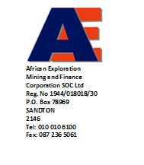
Annexure A: List of contracts completed/Underway with a minimum of 200 000 cubic metres of waste blasted per month.

 | Bidding Company Name

ITEM | Company where project was conducted | Description on the project | Start Date (MM/YYYY) | End Date (MM/YYYY) | Value of contract in Rands | Contact Details of reference company
 |  |  |  |  |  | Contact Person | Telephone (land line) | Email address
1
2
3
4
5
6
7
8
9
10
11
12

 | Company Representative Name

 | Company Representative Signature

