Pricelist
ITEM NO | DESCRIPTION | UNIT | RATE
1 | Meals:

1.1 | Lunch - (as per the lunch specification table) | Per meal

2 | Drinks Options: | UNIT | RATE
2.1 | 300ml Can of Cold drink | Each
2.2 | 500ml Bottled water add to scope | Each
2.3 | 300ml Can of 100% Fruit juice | Each

3 | Braai Options: | UNIT | RATE
3.1 | Braai Coal, Pap, Chutney , 2 salads and 2 bread rolls | Per person
3.2 | Steak 180 gram | Each
3.3 | Lamb Chop 200 gram | Each
3.4 | Wors/Mutton sausage 160 gram | Each
3.5 | Chicken Drumstick 150 gram | Each

4 | Snacks Options: | UNIT | RATE
4.1 | Assorted muffins with butter | Each
4.2 | Scones with butter | Each
4.3 | Scones with butter and cheese, or, jam and cream | Each
4.4 | Toasted Sandwiches with assorted fillings | Each
4.5 | Whole fresh fruit | Each

5 | Platters: | UNIT | RATE
5.1 | Provision of Finger Food-Sandwich Platter (serves 8-10) | Per platter
5.2 | Provision of Finger Food-Chicken Platter (serves 8-10) | Per platter
5.3 | Provision of Finger Food-Meat Platter (serves 8-10) | Per platter
5.4 | Provision of Finger Food-Pastry Platter (serves 8-10) | Per platter
5.5 | Provision of Finger Food-Cocktail Platter (serves 8-10) | Per platter

6 | Provision for Special Meals (healthy meals, vegetarian meals, Halaal meals, kosher meals and special dietary requirements) | UNIT | RATE
6.1 | The provision and serving of Special Meals | % markup of meal cost
6.2 | Transport *Travelling will be paid from the Base Station **Base Stations are: Newcastle CLN, Ladysmith CLN, Empangeni and Pinetown CLN.Service provider to have offices or a base closer to the CLNs. | Km

7 | Other: | UNIT | RATE
7.1 | Food Delivery Service *Travelling will be paid from the Base Station **Base Stations are: Newcastle CLN, Ladysmith CLN, Empangeni and Pinetown CLN.Service provider to have offices or a base closer to the CLNs. | Per Km (incl. toll fees and parking fees)
7.2 | Occupational Health and Safety Requirements,eg: PPE, Training,Medicals etc: | % of Task Order | 1 0r 3???
7.3 | Adhoc items requested by Service Manager -Atleast 3 Quotations to be obtained for approval by the Service Manager | % markup of Quote

 | Notes to the Price List 1. The above rates exclude VAT. 2. The rates offered will remain fixed and firm for the first 12 months of the contract period, thereafter escalation may be applied for, in writing, annually based on CPI by the Contractor. 3. The escalation will only be applicable from the date of approval. 4. CPA will not apply to items relating to % Markups.

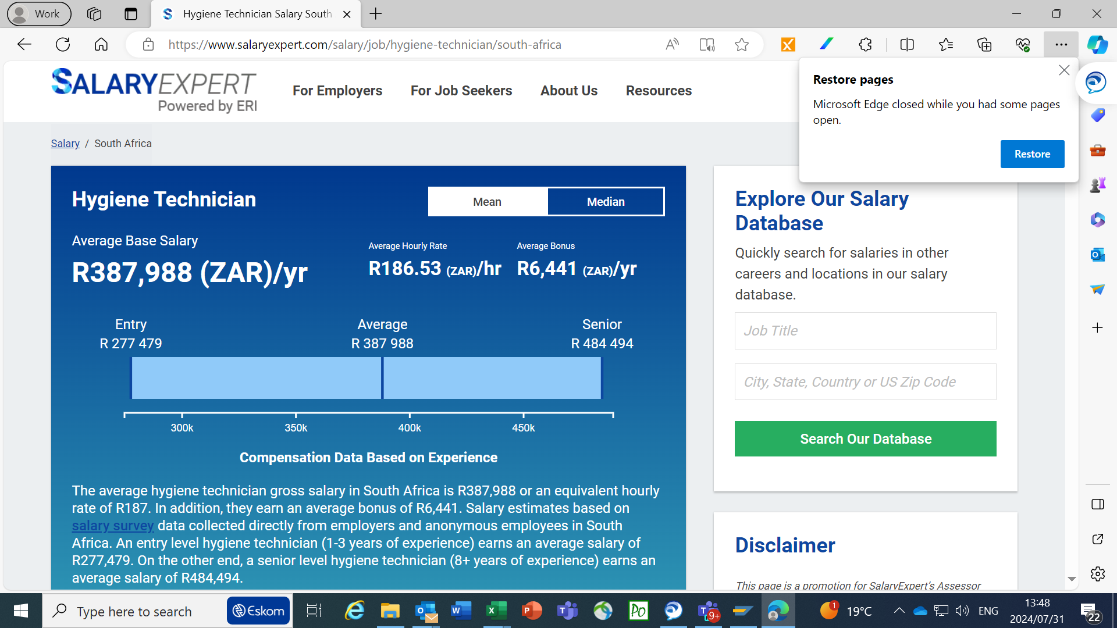

 | 154
 | 186
 | 170 | RATE PER HOUR

 | 13600
 | 14416

