Baits and Traps
OVR-PEST CONTROL AND FUMIGATION SERVICES
BUILDING NAME | RODENT BAIT STATIONS | FLY TRAPS | FUMIGATION Area (square meters)
PHASE 1
OVI Personnel Houses | 36 | 12 | 3,274
OVI Single Quarters | 4 | 2 | Accomodated above
Grasdak & Conference Centre | 4 | 2 | Accomodated above
Bidg: 49 Guest House 10 | 5 | 2 | Accomodated above
Bidg: 48a Theiler Guest 12 & 13 | 6 | 2 | 777
Bidg: 48b Laundry | 1 | 1 | 49
Bidg: 20 Woolbuilding (Directorate, HR & Finance) | 6 | 2 | 875
Bidg: 21 Diagnostic Registration | 3 | 1 | 340
Bidg: 22 Library | 6 | 1 | 989
Bidg: 24 Virology (Includes OIE Facility and Mice Room) | 9 | 2 | `
Bidg: 23 Rabies Offices | 4 | 1 | 558
Bidg: 26 Rabies Laboratory (OIE Facility & Main Labs) | 8 | 1 | Accomodated above
Bidg: 29 Biotechnology (PCR) (includes Heartwater Building) | 10 | 1 | 1,451
Bidg: 29 BSL 3 | 2 | 1 | 400
Bidg: 30 Toxicology (includes ICT, Clinic, & Viral Vector lab) | 10 | 1 | 2,012
Bidg: 31 Buying Section (Supply chain, deliveries and basement) | 5 | 1 | 420
Bidg: 32 Canteen | 4 | 1 | 160
Bidg: 33 & 34 SA Veterinary Museum & Public Relations | 3 | 1 | 302
Bidg: 36 Parasitology | 11 | 4 | 1,711
Bidg: 35 Molecular Biology & Biochemistry | 6 | 2 | 990
Bldg 35a: EPV Mouse room | 2 | 1 | 14
Bidg: 46 Entomology | 4 | 1 | No fumigation
Bldg 57: Entomology Kitchen | 2 | 1 | 80
Bidg: 47 Insectary | 3 | 2 | No fumigation
Bidg: 47: Insectary basement animal facility | 2 | 1 | No fumigation
EPV Blood Vaccine herd | 10 | 13 | No fumigation
EPV Personnel Change rooms & Kitchen | 1 | 1 | 56

PHASE 2
Boikhutsong Staff Residence | 24 | 20 | 1,637
Kaalplaas Personnel house | 3 | 1 | Accomodated above
Kaalplaas (Farm) | 20 | 35 | 208
Bidg: 25 Workshop | 8 | 1 | 984
Bidg: 27 Animal Provision/ Facilities | 2 | 2 | 260
Electrical/ Refrigeration Workshop | 2 | 2 | 368
Bldg 84: Small Stock holding Facility Stables 99 – 107 | 8 | 8 | No fumigation
Bldg 79: Small Stock Stables Facility Stables 79 – 82 | 4 | 4 | No fumigation
Bidg: 28 Feed Stores | 15 | 1 | No fumigation
Bidg: 37 Immunology | 4 | 1 | 520
Bidg: 39 Radioactive lab & Immunology Tearoom | 4 | 1 | Accomodated above
Bidg: 38 Biotechnology Platform | 10 | 2 | 2,145
Bidg: 40 Residue labs | 8 | 1 | 492
Bidg: 41 Biological Services Unit (BSU) | 4 | 1 | 252
Bidg: 42 Bacteriology, Feed & Food, PCR, TB & Serology Labs | 4 | 2 | 3,900
Bidg: 43 Pathology Building (BSE Laboratory, Electron Microscopy & Helminthology & PM Hall) | 10 | 2 | 2,204
Bidg: 44 Motor Fleet garage | 6 | 1 | 390
Bidg: 45 Incinerator | 4 | 2 | No Fumigation
Bidg: 49 Vector Protected Stable | 8 | 4 | No Fumigation
Bldg 73: Horse stables | 9 | 4 | No Fumigation
Bldg 80: Virology chicken facility | 4 | 2 | No Fumigation
Bldg 88: East Coast Fever Quarantine Facility (Stable 55) | 9 | 8 | No Fumigation
Stable 56: EPV Cattle stables | 5 | 6 | No Fumigation
Bldg 95: Feed storage, next to the farm gate | 10 | 0 | No Fumigation
Bldg 102: Stable 151 complex | 4 | 1 | 484
Bldg 103: Stable 152 complex | 4 | 4 | No Fumigation
Bldg 83: Personnel Change Rooms by the Small Stock Stables | 4 | 1 | 190
Bldg 101: Personnel Change Rooms by the Stable 151 complex | 3 | 1 | 225
Bldg 67: Personnel Change Rooms by Pathology/ Motorfleet | 4 | 0 | 106

PHASE 3
TADP Single Quarters White block | 4 | 2 | 496
TADP Single Quarter Red brick | 2 | 2 | 108
TADP Houses x 3 | 6 | 3 | 900
TADP New Admin Buildings & Offices | 6 | 2 | 954
TADP Utilities, Old Reception block, Incinerator, Laundry, Block A & Securities | 8 | 4 | 1,543
TADP Blocks F; G & H, Tissue Culture, all three levels | 20 | 0 | 17,952
 | 417 | 192 | 50,776

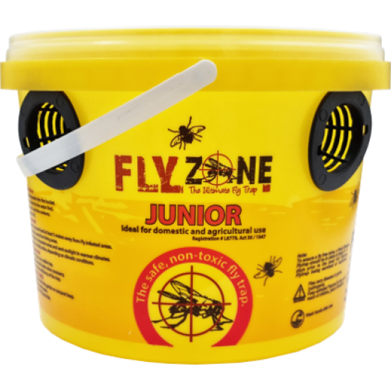
Already Installed: | 367 | 123
To Supply and Install: | 50 | 69

N.B: Bldg is an abbreviation for Building
Supply and installation of:
- 50 Bait stations
- 70 Yellow Fly traps, Flyzone Junior or similar.
Supply and installation of bait station inspection record labels
Use of pet-friendly baits/ rodenticide

