Acacia Power Station
Material | Original Description | OEM / Manufacturer | Valve Type | Size | Body Material | Class / Rating | Trim / Internals | End Connection | Face-to-Face | Drilling / PCD | Operation | Medium / Service | Medium Temperature
0023834 | VALVE, SOLENOID: PIPE SIZE: 35 MM; STYLE: 2 WAY; POTENTIAL: 125 VDC; CONNECTION: NPT; BODY MATERIAL: STAINLESS STEEL; OPERATED: PRESSURE; ENCLOSURE RATING: IP67; MEDIUM: FUEL; SUPPL P/N: 679V100A; REFERENCE NO: 1142; 711680; FUEL SHUT OFF, MAKE ALTAIR | ALTAIR | SOLENOID | 35 MM | STAINLESS STEEL |  |  | NPT |  |  | PRESSURE | FUEL
0023900 | ASSEMBLY: TYPE: AIR RELEASE VALVE FILTER; DIMENSIONS: 42 IN |  | AIR RELEASE VALVE FILTER
0023909 | VALVE: TYPE: TEMPERATURE CONTROL; VALVE SIZE: 40 MM; DESIGN RATING: 150 BAR; CONNECTION: FLANGE; OPERATED: TEMPERATURE; BODY MATERIAL: STL; STYLE: BOLTED BONNET; TRIM: BONNET STL; DISC SS; GRADE: WC8; MODEL NO: 83937-3; REFERENCE NO: E76L375; RANGE: 150 - 220, MAKE ROBERSHAW | ROBERSHAW | TEMPERATURE CONTROL | 40 MM | STL | 150 BAR | BONNET STL | FLANGE |  |  | TEMPERATURE
0256828 | VALVE: TYPE: LIQUID FUEL METERING; VALVE SIZE: 193.5 MM2; DESIGN RATING: 345 KPA; TEMPERATURE RATING: -28 TO +103 DEG C; CONNECTION: BASE; OPERATED: ELECTRICAL; BODY MATERIAL: METAL; MANUF P/N: LQ25, 9907-361; SUPPL P/N: LQ25T | Wood Group Pratt & Whitney Industrial Turbine Services, LLC (WGPW) | LIQUID FUEL METERING | 193.5 MM2 | METAL | 345 KPA |  | BASE |  |  | ELECTRICAL |  | -28 TO +103 DEG C
0589427 | VALVE, RELIEF: VALVE SIZE: 3/4 IN; SET PRESSURE: 420 KPA; TEMPERATURE RATING: 70 DEG C; CONNECTION: THD 1/2 IN; BODY MATERIAL: BRASS; TRIM: PLASTIC BONNET/ADJUSTABLE SCREW; FACE TO FACE LENGTH: 65 MM; OPERATED: PRESSURE 0-460 KPA; DESIGN RATING: 40 BAR; PRESSURE RANGE: 0-40 BAR; MANUF P/N: D22-1/2A |  | RELIEF | 3/4 IN | BRASS | 40 BAR; 0-40 BAR; 420 KPA | PLASTIC BONNET/ADJUSTABLE SCREW | THD 1/2 IN | 65 MM |  | PRESSURE 0-460 KPA |  | 70 DEG C

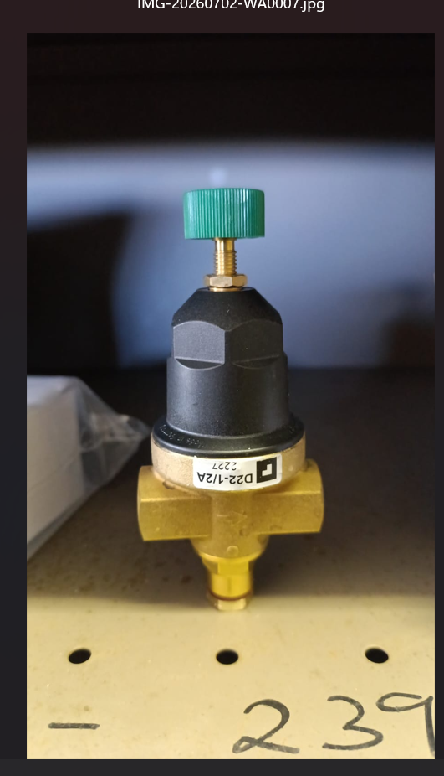
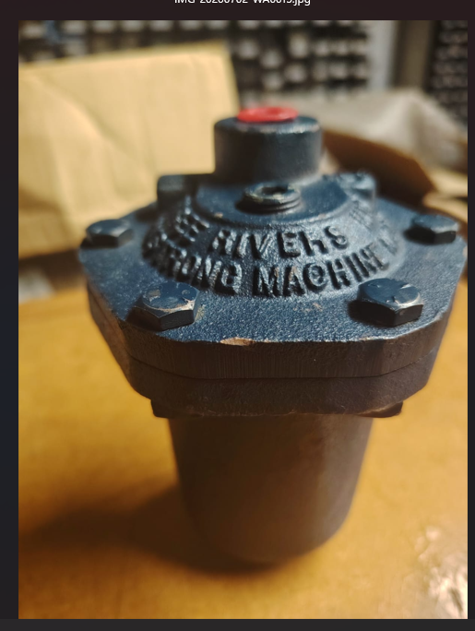
Material | Picture
0589427

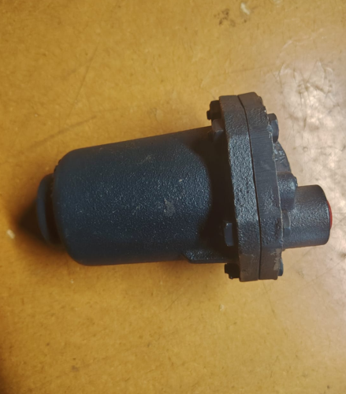
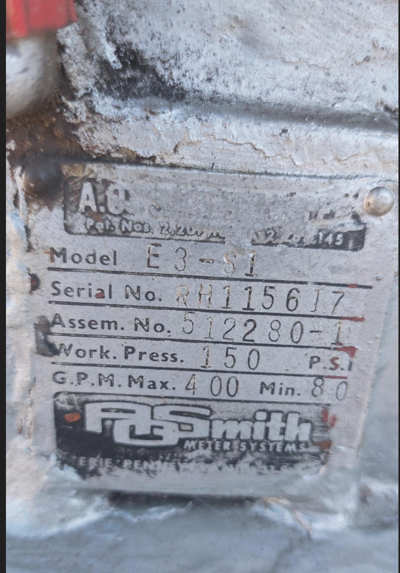

0023900

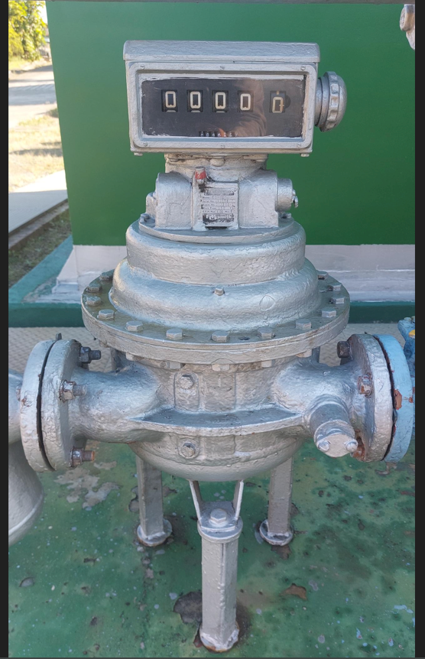
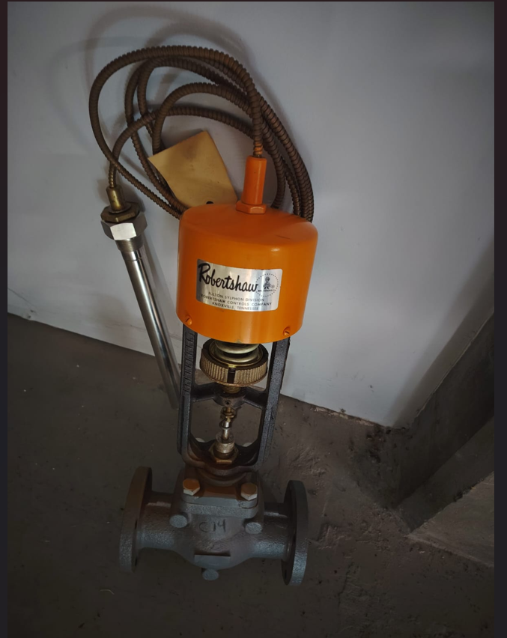

0256828

0023909

